Sheet1
X | Y | Xst | Yst | a | b | YP=a+bX | SSE=1/2(Yst-YP)^2 | Grad of SSE w.r.t a =-(Yst-YP) | Grad of SSE w.r.t b = -(Yst-YP)*X
1100 | 199000 | 0.00 | 0.00 | 0.45 | 0.75 | 0.5 | 0.101 | 0.45 | )
1400 | 254000 | 0.22 | 0.27 |  |  | 0.6 | 0.061 | 0.35 | 0.08
1425 | 319000 | 0.24 | 0.58 |  |  | 0.6 | 0.001 | 0.05 | 0.01
1550 | 240000 | 0.33 | 0.20 |  |  | 0.7 | 0.125 | 0.50 | 0.17
1600 | 312000 | 0.37 | 0.55 |  |  | 0.7 | 0.016 | 0.18 | 0.07
1700 | 279000 | 0.44 | 0.39 |  |  | 0.8 | 0.078 | 0.39 | 0.18
1875 | 308000 | 0.57 | 0.53 |  |  | 0.9 | 0.062 | 0.35 | 0.20
2350 | 405000 | 0.93 | 1.00 |  |  | 1.1 | 0.010 | 0.14 | 0.13
2450 | 324000 | 1.00 | 0.61 |  |  | 1.2 | 0.176 | 0.59 | 0.59
 |  |  |  |  |  | Total | 0.631 | 3.01 | 1.43
Xmin | 1100
Xmax | 2450 |  |  |  |  | UPDATE a & b
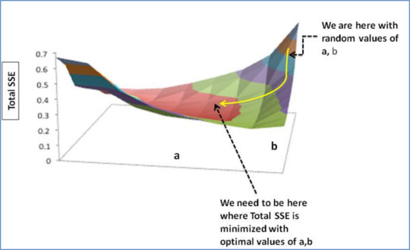
Ymin | 199000 |  |  |  |  | Learning rate: alpha=0.01
Ymax | 405000
 |  |  |  |  |  | new a= old a - alpha* grad w.r.t a
 |  |  |  |  |  | 0.4199
 |  |  |  |  |  | new b = old b - alpha* grad w.r.t b
Next Iteration: |  |  |  |  |  | 0.7357
YP=newa+newb*X |  | SSE
0.4199 |  | 0.088158005
0.58338888889 |  | 0.05005403629
0.59701296296 |  | 0.00010496108516
0.66513333333 |  | 0.10862656595
0.69238148148 |  | 0.010344655227
0.74687777778 |  | 0.064271257762
0.8422462963 |  | 0.049022093096
1.1011037037 |  | 0.0051109794513
1.1556 |  | 0.15059285127
 | Total | 0.52628540513 |  | Decreased!!!

